Sheet1
DO NOT USE THIS METHOD FOR DETAIL DESIGN – ALWAYS CONSULT A REPUTABLE SUPPLIER FOR DETAIL DESIGN
THIS TOOL IS GIVEN ONLY TO ILLUSTRATE THE EXAMPLE DONE IN THE WEBSITE. USING IT FOR ANY OTHER PURPOSE IS AT OWN RISK OF USER

Powder Flowability estimation |  | To modify | Calculated

This calculation sheet is allowing to calculate the angle or repose, the Carr Index and the Hausner ratio which are indicative of the flowability of bulk solids

 | Angle of repose |  |  | Carr Index and Hausner ratio

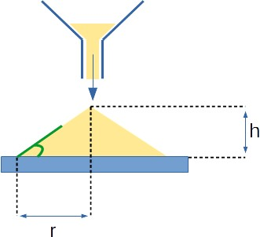
 |  |  |  | Loose bulk density | ρbulk | 450 | kg/m3
 |  |  |  | Tapped bulk density | ρtapped | 572 | kg/m3

 |  |  |  | Carr Index | Carr_Index | 21.3
 |  |  |  | Hausner ratio | H | 1.3

 |  |  |  | Good flowability ? Please refer to below table

 | Height of the heap | 10 | mm
 | Radius of the heap | 20 | mm
 | Angle of repose calculated | 26.6 | degrees

 | Good flowability ? Please refer to below table

 | If you spot a mistake or wish to suggest an improvement, please contact admin@powderprocess.net

 | Copyright www.PowderProcess.net

 | The content of PowderProcess.net is copyrighted but no warranty nor liability is ensured. The content of this site is to be seen as a help and important information and calculation must always be double checked by the user through the quality procedure of his organization or by checking another source. The user must always respect all applicable regulation. The use of the information is at the user and its organization own risk and own cost.

FOR EDUCATIONAL PURPOSE ONLY – DO NOT USE THIS METHOD FOR DETAIL DESIGN – ALWAYS CONSULT A REPUTABLE SUPPLIER FOR DETAIL DESIGN

