Spray Dryer 1 stage HMB
FOR EDUCATIONAL PURPOSE ONLY – DO NOT USE THIS METHOD FOR DETAIL DESIGN – ALWAYS CONSULT A REPUTABLE SUPPLIER FOR DETAIL DESIGN

 | Spray Dryer 1 stage – Heat and Mass Balance calculation

 | To modify | Step 1 : Gather the data required for the design
 | Calculated | Process data
 |  | If one of the temperature of the fluids at inlet and outlet, enter NA for the temperature
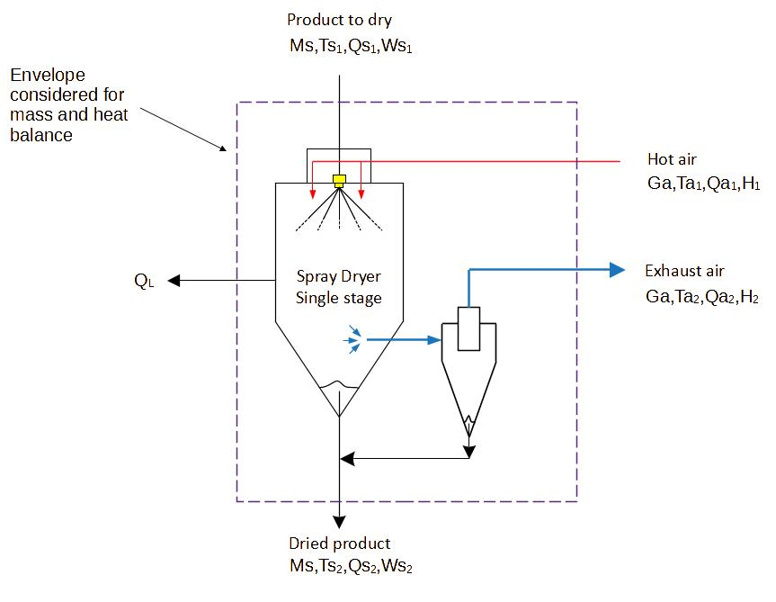
 |  | Solids to dry | Milk
 |  | Feed concentrate mass flowrate | 1995 | kg/h
 |  | Feed concentrate total solid | 45.00%
 |  | Moisture in the feed concentrate | 1.22 | kg water / kg dry solid
 |  | Feed concentrate temperature | 26 | c
 |  | Outlet solids moisture | 4.00%
 |  | Moisture in the solids | 0.04 | kg water / kg dry solid
 |  | Outlet solids temperature | 46 | c | Humid air properties calculations
 |  | Drying medium | Air
 |  | Atmospheric air temperature | 24 | c |  | ε= | 50 | % | Pressure | 101325 | Pa
 |  | Atmospheric air relative humidity | 50.00% |  |  | Temperature | 24 | °c | Pressure water in air | 1479.5248772 | Pa
 |  | Inlet air absolute humidity | 0.0092 | kg water / kg dry air |  | Psat water | 2959.0497545 | Pa | w= | 0.0091974702384 | = kg eau / kg dry air
 |  | Hot air inlet temperature | 176 | c |  | P water in air | 1479.5248772 | Pas
 |  | Exhaust air temperature | 80 | c
 |  | Exhaust air relative humidity | 15.00% |  |  | ε= | 15 | % | Pressure | 101325 | Pa
 |  | Outlet air absolute humidity | 0.0468 | kg water / kg dry air |  | Temperature | 80 | °c | Pressure water in air | 7105.620912 | Pa
 |  |  |  |  |  | Psat water | 47370.80608 | Pa | w= | 0.04680974802 | = kg eau / kg dry air
 |  |  |  |  |  | P water in air | 7105.620912 | Pas
 |  | Step 2 : Calculate the specific enthalpy of each stream
 |  | Feed concentrate specific heat | 6.779 | kJ/c/kg
 |  | Outlet solids specific heat | 1.844 | kJ/c/kg
 |  | Specific Enthalpy of feed concentrate | 176.2511 | kJ/kg
 |  | Specific Enthalpy of dried solid flow | 84.8317 | kJ/kg
 |  | Specific Enthalpy of atmospheric air | 47.5508 | kJ/kg
 |  | Specific Enthalpy of hot air | 202.9447 | kJ/kg
 |  | Specific Enthalpy of exhaust air | 204.5877 | kJ/kg

 |  | Step 3 : Calculate the dry product flow rate
 |  | Dry solids flowrate | 898 | kg/h
 |  | Outlet solids flowrate | 935 | kg/h

 |  | Step 4 : Calculate the air flow
 |  | Mass balance on water
 | The air flow is calculated If you have a measure enter it here, if both values differ a lot, you should look for the cause (incorrect data input, incorrect experimental measurement...) | Total air flow to dryer CALCULATED | 28178.132581 | kg/h
 |  | Total air flow to dryer MEASURED
 |  | Difference | #DIV/0!
 |  | Total water evaporated | 1059.84375 | kg/h

 |  | Step 5 : Calculate the heat losses
 |  | Heat balance on the dryer
 |  | Heat inlet to dryer
 |  | Heat from feed concentrate | 351621 | kJ/h
 |  | Heat from hot air | 5718601 | kJ/h
 |  | Total heat to dryer | 6070222 | kJ/h

 |  | Heat outlet of dryer
 |  | Heat from outlet solids | 79331
 |  | Heat from exhaust air | 5764898
 |  | Total heat out of dryer | 5844229 | kJ/h

 | Heat losses are typically 3-5% on commercial dryers, if higher than that, you need to check if the dryer is properly run, or if some data entered or measured are not correct | Heat loss calculated | 225993
 |  | % of heat loss | 3.72%

 |  | Step 5 : Calculate the dryer efficiency
 |  | ESC (Energetic specific consumption) | 4131 | kJ/kg water evaporated

 | If you spot a mistake or wish to suggest an improvement, please contact admin@powderprocess.net

 | Copyright www.PowderProcess.net

 | The content of PowderProcess.net is copyrighted but no warranty nor liability is ensured. The content of this site is to be seen as a help and important information and calculation must always be double checked by the user through the quality procedure of his organization or by checking another source. The user must always respect all applicable regulation. The use of the information is at the user and its organization own risk and own cost.

FOR EDUCATIONAL PURPOSE ONLY – DO NOT USE THIS METHOD FOR DETAIL DESIGN – ALWAYS CONSULT A REPUTABLE SUPPLIER FOR DETAIL DESIGN

