Sheet1
FOR EDUCATIONAL PURPOSE ONLY – DO NOT USE THIS METHOD FOR DETAIL DESIGN – ALWAYS CONSULT A REPUTABLE SUPPLIER FOR DETAIL DESIGN

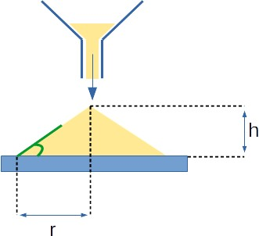
 | Height of the heap | 10 | mm
 | Radius of the heap | 20 | mm
 | Angle of repose calculated | 26.6 | degrees

