Sheet1
DO NOT USE THIS METHOD FOR DETAIL DESIGN – ALWAYS CONSULT A REPUTABLE SUPPLIER FOR DETAIL DESIGN
THIS TOOL IS GIVEN ONLY TO ILLUSTRATE THE EXAMPLE DONE IN THE WEBSITE. USING IT FOR ANY OTHER PURPOSE IS AT OWN RISK OF USER

Air velocity in pipe |  | To modify | Calculated

This calculation sheet is allowing to calculate the air velocity in a pipe, knowing the pipe diameter and air flow (m3/h)
It also allows to calculate the air velocity at different conditions, to get velocity at beginning and end of pipe for instance

This is a graphical procedure, please follow the steps below :

 | Step 1 : data input |  |  |  | DN | l/rev
 | Bulk solid type | Rice flour |  |  | 125 | 1.33
 | Flowability | Very free flowing |  |  | 150 | 2.38
 | Bulk density | 500 | g/l |  | 200 | 5.96
 | Required capacity | 5000 | kg/h
 |  | 10000 | l/h
 |  |  |  |  | 250 | 12
 | Step 2 : assume valve size |  |  |  | 300 | 21
 |  |  |  |  | 350 | 31
 | Valve diameter | 250 | mm |  | 400 | 49
 | Valve capacity over 1 turn | 12 | l/rev |  | 450 | 70
 | Required revolution /h | 833.33333333 | rev/h |  | 500 | 97
 | Required revolution /min | 13.888888889 | rev/min |  | 600 | 168.3
 |  |  |  |  | 750 | 321.6
 |  |  |  |  | 915 | 546.6

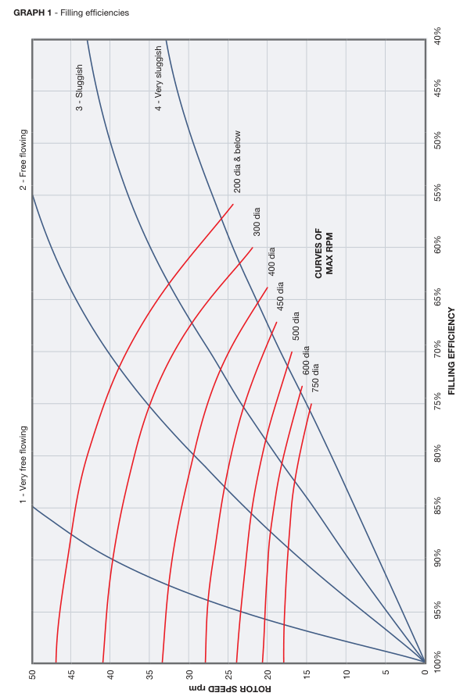

 | Air velocity in pipe
 | Pipe diameter | 50 | mm
 | Pipe cross section area | 0.0019634954085 | m2
 | Air flow at given P and T | 150 | m3/h
 | Air velocity in pipe | 21.2 | m/s

 | Air velocity at different conditions
 | Air flowrate at reference conditions | 400 | m3/h
 | Temperature | 0 | c
 | Pressure | 0 | bar g
 | Note : the example is showing normal conditions which is often the case for blower capacity references but you can change that
 | Beginning of pipe |  |  | End of pipe
 | Pipe diameter | 80 | mm | Pipe diameter | 80 | mm
 | Pipe cross section area | 0.0050265482457 | m2 | Pipe cross section area | 0.0050265482457 | m2
 | Pressure | 0 | bar g | Pressure | -0.3 | bar g
 | Temperature | 20 | c | Temperature | 20 | c
 | Air Flow at these conditions | 429.3 | m3/h | Air Flow at these conditions | 609.9 | m3/h
 | Air velocity in pipe | 23.7 | m/s | Air velocity in pipe | 33.7 | m/s

 | If you spot a mistake or wish to suggest an improvement, please contact admin@powderprocess.net

 | Copyright www.PowderProcess.net

 | The content of PowderProcess.net is copyrighted but no warranty nor liability is ensured. The content of this site is to be seen as a help and important information and calculation must always be double checked by the user through the quality procedure of his organization or by checking another source. The user must always respect all applicable regulation. The use of the information is at the user and its organization own risk and own cost.

FOR EDUCATIONAL PURPOSE ONLY – DO NOT USE THIS METHOD FOR DETAIL DESIGN – ALWAYS CONSULT A REPUTABLE SUPPLIER FOR DETAIL DESIGN

